Hoja1
2024-01-19
,

BUENOS AIRES luquearti@gmail.com
BUENOS AIRES luquecarlos@speedy.com.ar
____________________________________________________________________________________
"BISAGRAS tipo 5005”
“Hierro PULIDO o BRONCEADO”
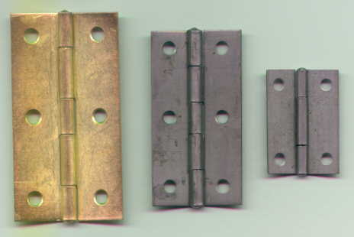
“Bisagra LIBRO"

COD. | DESCRIPCION | PRECIO
BI-1000 | 12 Pares Bisagra t/5005 19mm. / 3/4 HºPulido | $ 1,246.00
BI-1001 | 12 Pares Bisagra t/5005 25mm. / 1" HºPulido | $ 1,246.00
BI-1002 | 12 Pares Bisagra t/5005 38mm. / 1 1/2" HºPulido | $ 1,467.00
BI-1003 | 12 Pares Bisagra t/5005 51mm / 2" HºPulido | $ 2,536.00
BI-1004 | 12 Pares Bisagra t/5005 63mm. / 2 1/2" HºPulido | $ 3,128.00
BI-1005 | 12 Pares Bisagra t/5005 76mm. / 3" HºPulido | $ 4,150.00
BI-1006 | 12 Pares Bisagra t/5005 88mm. / 3 1/2" HºPulido | $ 5,903.00
BI-1007 | 12 Pares Bisagra t/5005 101mm. / 4" HºPulido | $ 8,740.00
COD. | DESCRIPCION | PRECIO
BI-1010 | 12 Pares Bisagra t/5005 19mm. / 3/4" HºBronce. | $ 1,840.00
BI-1011 | 12 Pares Bisagra t/5005 25mm. / 1" HºBronce. | $ 2,082.00
BI-1012 | 12 Pares Bisagra t/5005 38mm. / 1 1/2" HºBronce. | $ 2,657.00
BI-1013 | 12 Pares Bisagra t/5005 51mm / 2" HºBronce. | $ 4,414.00
BI-1014 | 12 Pares Bisagra t/5005 63mm. / 2 1/2" HºBronce. | $ 5,725.00
BI-1015 | 12 Pares Bisagra t/5005 76mm. / 3" HºBronce. | $ 7,299.00
BI-1016 | 12 Pares Bisagra t/5005 88mm. / 3 1/2" HºBronce. | $ 10,263.00
BI-1017 | 12 Pares Bisagra t/5005 101mm. / 4" HºBronce. | $ 15,834.00

PRECIO: Por DOCENA de PARES (24 UNIDADES)
ENVASE: Caja conteniendo 1 docena de pares(24 unidades)

T

